Sheet1
Main Product
Item # | Name | Quantity | Comment | Part # | Supplier | Additional Info
1 | Laser cut pieces | 1 |  | 200-0001 Rev C0 | Ponoko
2 | Aluminum print bed | 1 | With 95185A640 pressed | 201-0001 Rev C
3 | Resinshield | 1 | Contact Alice (alice-yi@elecrow.com) | 101-0001 Rev G | Elecrow | reference number 104645
4 | Laser | 1 | 405nm 50mW, without driver, contact Merry Young (sales@laserland.com) | 3350 405nm 50mW | laserland.com |  | https://store.laserland.com/diode-laser-module/405nm/405dot/3350-405d.html
5 | Galvo + driver | 1 | HT-15K
6 | Stepper driver | 1 | Common open source part (A4988), must have heatsink
7 | Arduino Mega | 1 | Common open source part, any equivalent will work
8 | endstop switch | 3 | Common open source part, any equivalent will work |  |  | 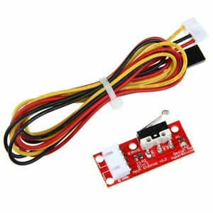
9 | 12v 3A regulated wall supply | 1 | arduino size barrel |  |  | 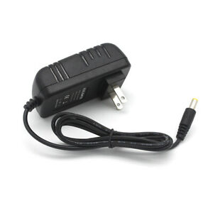
10 | 3 pin JST cable | 1 | Source from galvo manufacturer
11 | 3 pin power cable | 1 | Source from galvo manufacturer
12 | Aluminum resevoir | 1 |  | 201-0002 Rev A3
13 | FEP film | 1 | 5mil thick, 8inx8in, also source from CS Hyde | 85905K66 |  | https://www.mcmaster.com/85905k66
14 | NEMA17 | 1 | 1.5A, 1M cable, 1.8deg, 0.1in female connector for headers |  |  | 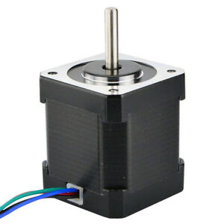
15 | Fastener Kit | 1 |  | 202-0001 Rev C
16 | Mechanical Kit | 1 |  | 202-0002 Rev A
17 | Misc Kit | 1 |  | 202-0003 Rev C

Misc Kit | 202-0003 Rev C
Item # | Name | Quantity | Comment | Part # | Supplier | Additional Info
1 | Adhesive zip tie mount | 4 | Higher quantity package is OK if cheaper |  |  | https://www.mcmaster.com/7566k25
2 | Double sided tape | 1 | 3M VHB RP32, 0.75in width, >= 36inch cut strip or roll | RP32 | 3M
3 | Zip tie | 10 | 0.1" wide >= 3" long. Higher quantity package is OK if cheaper | 7130K12 | mcmaster | https://www.mcmaster.com/7130k12
4 | Wire loom | 1 | 2ft
5 | Laser safety goggles | 1 | Must block 405nm
6 | Single sided tape | 1 | Polyester tape, 3M 1318-1 or equivalent, 0.75in width, >= 36in strip or roll |  | 3M
7 | Metric allen wrench set | 1 | Must include M2, M2.5, M3. Keep cost <$0.50

Mechanical | 202-0002 Rev A |  | Try to source all from the same vendor
Item # | Name | Quantity | Comment | Part # | Supplier | Additional Info
1 | ACME T8x1 200mm with cart | 1 | T8, ACME, 1mm pitch, 200mm long, 8mm diameter, cart must have exact bolt pattern |  |  | 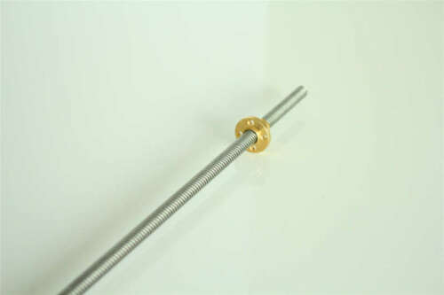
2 | LMK8LUU | 2 | Pay attention to height, should be around 45mm |  |  | 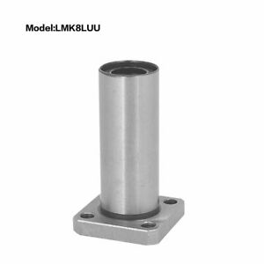
3 | SHF8 | 2 |  |  |  | 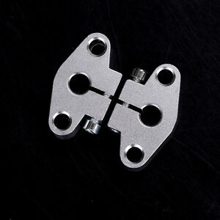
4 | Linear rail 8mm 300mm/12in | 2 | 8mm diameter, 300mm/12in long, pay attention to end machining |  |  | 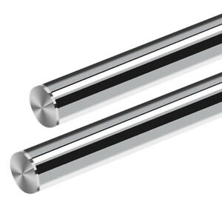
5 | 5mm to 8mm coupler | 1 |  |  |  | 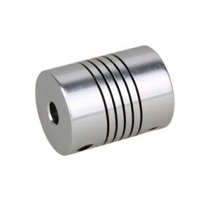

Fasteners | 202-0001 Rev C
Item # | Name | Quantity | Comment | Part # | Supplier 1 | Additional Info
1 | M5x20 screw | 10 |  | 91239A233 | mcmaster | https://www.mcmaster.com/91239a233
2 | M4x10 screw | 3 |  | 91239A144 | mcmaster | https://www.mcmaster.com/#91239a144/=1502lqc
3 | M3 nut | 100 |  | 98676A100 | mcmaster | https://www.mcmaster.com/#98676a100/=1502cdh
4 | M3 brass press fit nut | 25 |  | 94510A240 | mcmaster | https://www.mcmaster.com/#94510a240/=1502d99
5 | M3x14 screw | 100 |  | 91239A118 | mcmaster | https://www.mcmaster.com/#91239A118
6 | M3x10 screw | 10 |  | 91239A115 | mcmaster | https://www.mcmaster.com/#91239a115/=1502ox1
7 | M3x16 screw | 8 |  | 91239A120 | mcmaster | https://www.mcmaster.com/#91239A120
8 | M3x50 screw | 1 |  | 92125A151 | mcmaster | https://www.mcmaster.com/92125a151
9 | M5 nut | 10 |  | 90592A095 | mcmaster | https://www.mcmaster.com/90592a095
10 | M5 standoff | 2 |  | 98952A141 | mcmaster | https://www.mcmaster.com/98952a141

